1. Title Page
Instacart Basket Analysis

Project Name: Instacart Basket Analysis
Date: September 2023
Analyst Name: Daphne Yaghobi

Contents:
Population Flow
Consistency checks
Wrangling steps
Column derivations
Visualizations
Recommendations

2. Population Flow
Title page

Population flow

Exclusion flag
Condition: max_order < 5, low customer acvitity)
Obervations to be removed: 1,440,295
Final total count of order_products_all: 30,964,564

Orders_products_combined
Orders_products_merged
Orders_products_all

Total: 32,434,489 x11
Total: 32,404,859 x15
Total: 32,404,859 x32

1.) The grey boxes in the first row of the population flow represent the original data sets as they were when you downloaded them. In the Total fields you need to add the count of the rows when you imported the data set into Jupyter.
2.) The second row of boxes (coloured) represents the data sets after you manipulated them, e.g., removed missing values and duplicates. In the Total fields you need to add the count of the rows after conducting these operations. This offers a visual oveview of how the data flows throughout the data consistency checks.
3.) The third row, where also the arrows are coloured, represents the merges you performed between the datasets. In the Total fields you need to add the count of the rows in the merged datasets, so that you end up with the final dataset (in the red box). Keep in mind the final dataset should be without exclusions (based on the exclusion flag).

3. Consistency checks
 |  |  |  | Title page
Consistency checks

Dataset | Missing values | Missing values treatment | Duplicates
orders | 206,209 missing values under 'days_since_prior_order' column | The missing values repersent new customers. Nothing was changed. | No duplicates.
products | 16 missing values under 'product_name' column | A copy of the data frame without the missing values was created | 5 duplicates, A copy of the data frame without the missing values was created
orders_products_prior | 206, 209 missing values under 'days_since_prior_order' column | The missing values repersent new customers. Nothing was changed. | No duplicates.
customers | 11,259 missing values in the "First Name" column. | Left as is. | No duplicates.

4. Wrangling steps
 |  |  |  | Title page
Wrangling steps

Columns dropped | Columns renamed | Columns' type changed | Comment/Reason
eval_set |  |  | Not relavent to the data set or the analysis
 |  | order_id | Changed from int to str. The columns data does not have values
 |  | user_id | Changed from int to str. The columns data does not have values
 | order_dow |  | Changed from 'order_dow' to 'order_day_of_week' for consistency
 | First name |  | Changed 'First name' to 'first_name' for consistency
 | Surnam |  | Changed' Surnam' to 'surname' for consistency
 | Gender |  | Changed 'Gender' to 'gender' for consistency
 | STATE |  | Changed 'STATE' to 'state' for consistency
 | Age |  | Changed 'Age' to 'age' for consistency
 |  | first_name | Changed data type to str due to mixed data
surname |  |  | Dropped 'surname' column to remove PII data

5. Column derivations
In this tab you should add tables below that the frequences of flags/label variables that you produced after deriving them. NB: don't do this for continuous variables, only for flags.
 |  |  |  | Title page

Column derivations and aggregations

Dataset | New column | Column/s it was derived from | Conditions
ords_prods_merged | price_range_loc | prices | prices' > 15 = 'High-range product', 'prices' <= 15 & prices' > 5 = 'Mid-range product', prices' < 5 = 'Low-range product'
ords_prods_merged | busiest_day | order_day_of_week | if value = '0' then 'Busiest day', if value = '4' then 'Least busy', if value = else then 'Regularly busy'. (The values repersent days of the week, there is 6 values and 0 being Saturday)
ords_prods_merged | busiest_period_of_day | order_hour_of_day | Most orders': hours 9, 10, 11, 12, 13, 14, 15, and 16, 'Average orders': hours 17, 8, 18, 19, 20, 7, 21, and 22, 'Least orders': else
ords_prods_merged | max_order | user_id, order_number | Column created for 'loyalty_flag'. The column shows the max orders of each user by using 'user_id'
ords_prods_merged | loyalty_flag | max_order | Loyal customer': max_order > 40, 'Regular customer': max_order <= 40 & > 10, 'New customer': max_order <= 10
ords_prods_merged | spending_flag | user_id, prices | High spender': >= 10, 'Regular spender': < 10
ords_prods_merged | frequency_flag | user_id, days_since_prior_order | Frequent customer': <= 10, 'Regular customer': > 10 & <= 20
ords_prods_merged_all | region | state | Northeast = 'Maine', 'New Hampshire', 'Vermont', 'Massachusetts', 'Rhode Island', 'Connecticut', 'New York', 'Pennsylvania', 'New Jersey', Midwest = 'Wisconsin', 'Michigan', 'Illinois', 'Indiana', 'Ohio', 'North Dakota', 'South Dakota', 'Nebraska', 'Kansas', 'Minnesota', 'Iowa', 'Missouri', South = 'Delaware', 'Maryland', 'District of Columbia', 'Virginia', 'West Virginia', 'North Carolina', 'South Carolina', 'Georgia', 'Florida', 'Kentucky', 'Tennessee', 'Mississippi', 'Alabama', 'Oklahoma', 'Texas', 'Arkansas', 'Louisiana', West = 'Idaho', 'Montana', 'Wyoming', 'Nevada', 'Utah', 'Colorado', 'Arizona', 'New Mexico', 'Alaska', 'Washington', 'Oregon', 'California', 'Hawaii'
ords_prods_merged_all | age_group | age | 18-29':<= 29, '30-39: > 29 & < 40m, '40-49': > 39 & < 50, '50-59': > 49) & < 60, '60-69': > 59) & < 70,'70 and over': > 69
ords_prods_merged_all | income_group | income | low': <= 70000, 'average': > 70000 & <= 100000, 'high': > 100000
ords_prods_merged_all | number_of_dependents_group | n_depednents, fam_status | single_parent': 'single' & dep >= 1, 'couple': 'married' & dep =0, 'family': 'married'& dep > 0, 'single adult': 'single' & dep = 0, 'single adult': 'divorced/widowed' & dep =0, 'single parent': 'divorced/widowed' &dep >= 1, 'single parent': 'living with parents and siblings' & dep >= 1, 'single adult': 'living with parents and siblings' & dep =0

6. Visualizations
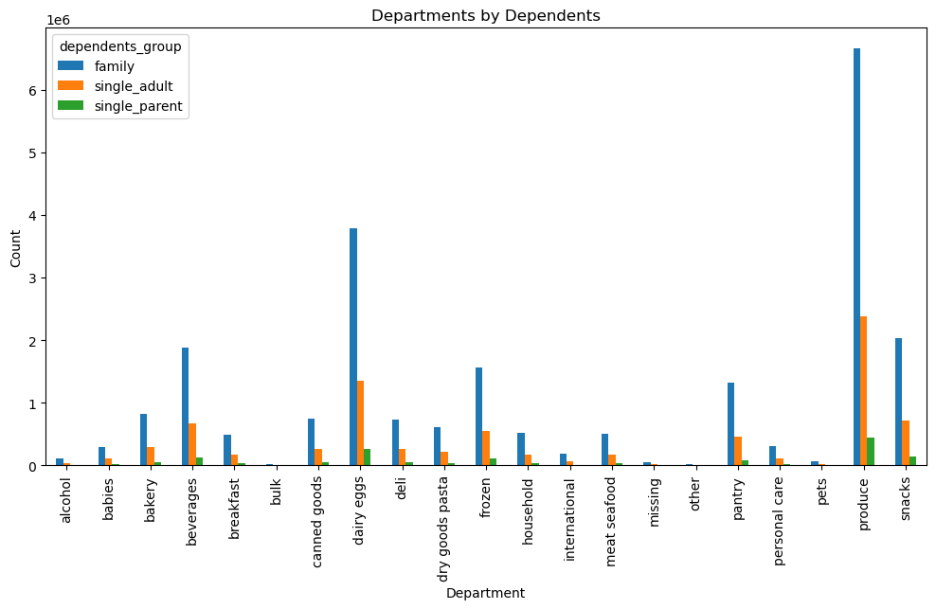
 |  | Title page

Visualisations

In this tab you should include all the visualtions from Exercises 4.9 and 4.10, alongside the questions from the project brief that they answer. Include any commentary on the relationship between different variables.

The sales team needs to know what the busiest days of the week and hours of the day are (i.e., the days and times with the most orders)

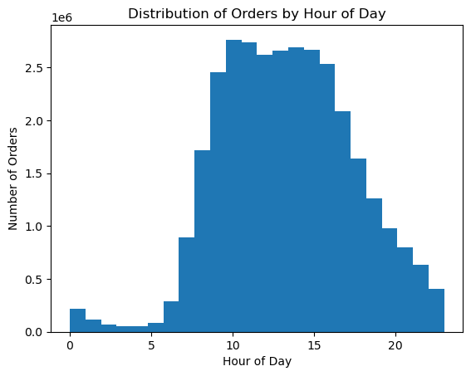
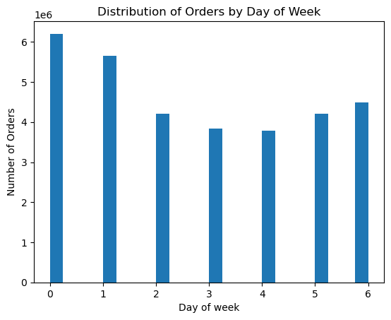

 |  |  |  | Days of the week
 |  |  |  | 0- Saturday
 |  |  |  | 1- Sunday
 |  |  |  | 2- Monday
 |  |  |  | 3- Tuesday
 |  |  |  | 4- Wednesday
 |  |  |  | 5- Thursday
 |  |  |  | 6- Friday

 | Instacart's peak hours are 9-16. Instacart's lowest hours are 0-7. Instacart gets the most buisness durin the day. |  | Instacart's busiest days are Sunday and Saturday. Instacart's slowest days are Tuesday and Wednesday. Instacart gets the most buisness on the weekends.

They also want to know whether there are particular times of the day when people spend the most money.

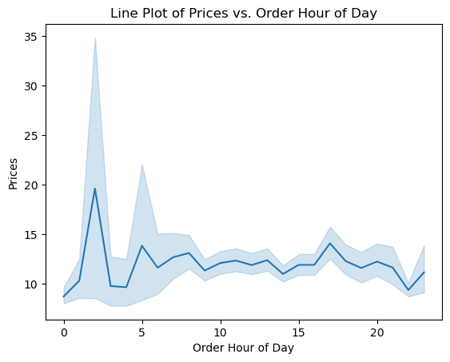

 | There is no consistant pattern. It looks like there is a peak in prices at 2, that doesn't say very much.

Instacart has a lot of products with different price tags. Marketing and sales want to use simpler price range groupings to help direct their efforts.

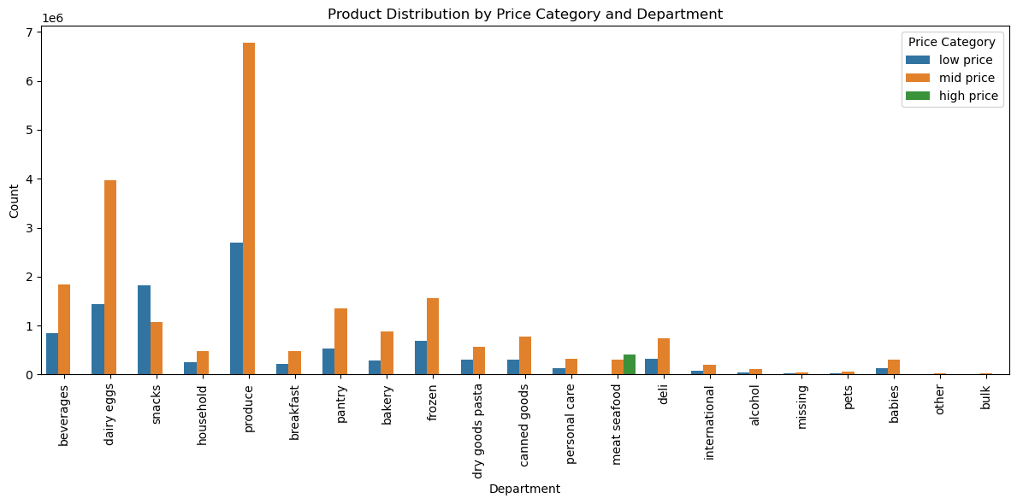

 |  |  | Low price: under $5
 |  |  | mid price: over $5 & under $15
 |  |  | high price: $15 or over

 | Mid- range products do best in almost every category with a couple exeptions. (Snacks, most snacks are going to be lower price. Meat, seafood, this department will be genreally expensive compared to other departments.)

Are there certain types of products that are more popular than others? The marketing and sales teams want to know which departments have the highest frequency of product orders.

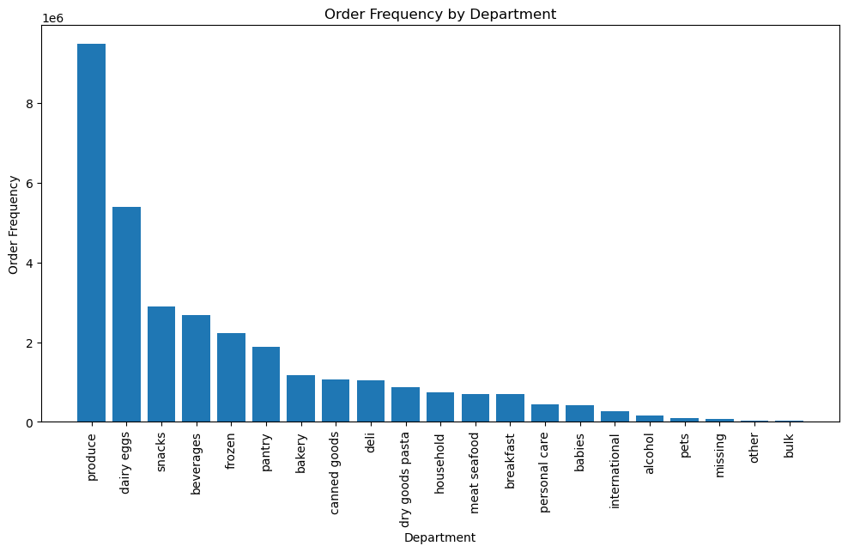

 | Produce, and dairy & eggs have the highest order frequency.

What’s the distribution among users in regards to their brand loyalty ?

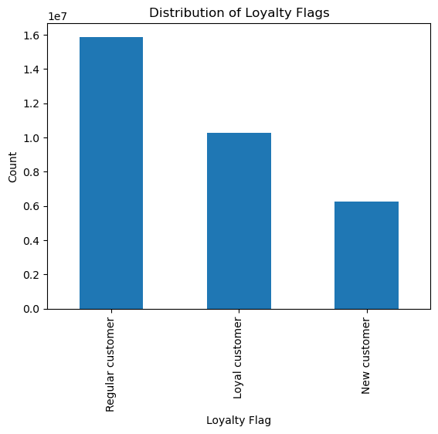

 |  |  | Loyal customer: over 40 orders
 |  |  | Regular customer: between 11 and 40 orders
 |  |  | New customer: 10 orders or less

 | Regular customers make up the highest population of instacart users.

Are there differences in ordering habits based on a customer’s loyalty status?

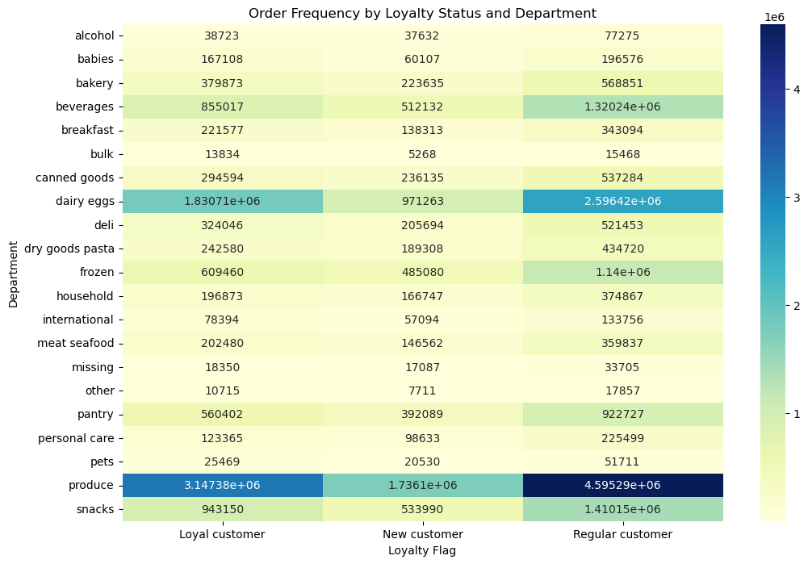

 | Loyalty status does not make a significant difference in any departements order frequency

Are there differences in ordering habits based on a customer’s region?

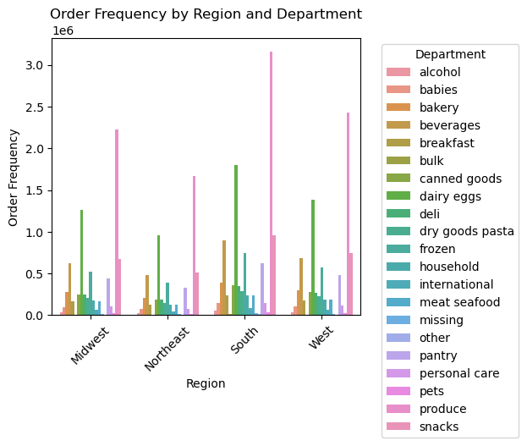

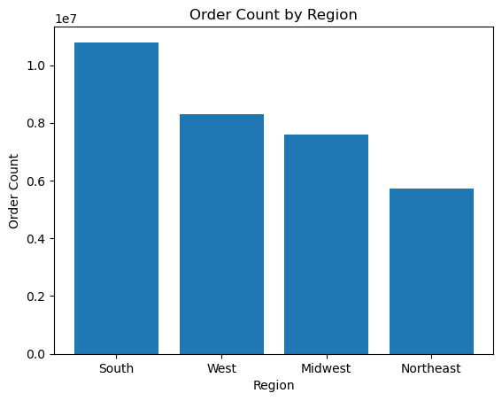

 | The 'South' region has contributed most to instacart, of all regions.

Is there a connection between age and family status in terms of ordering habits?

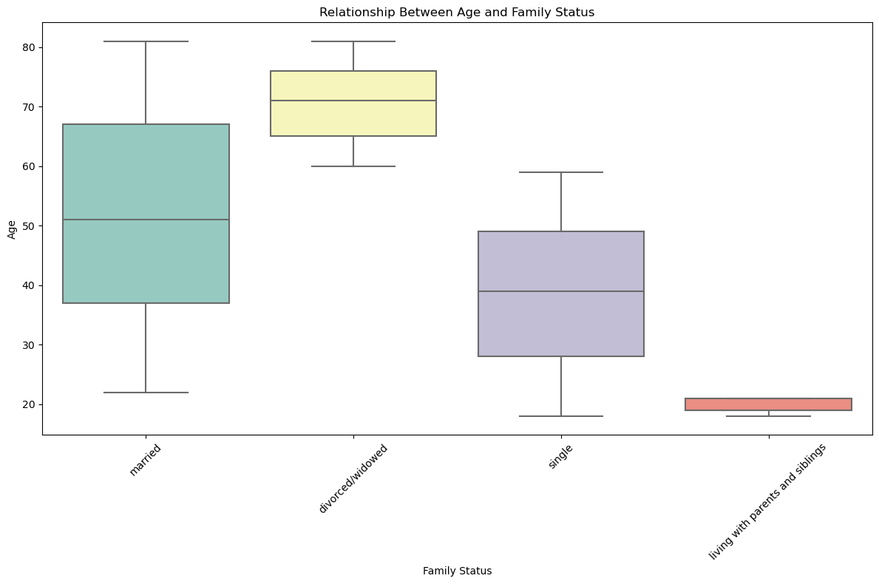
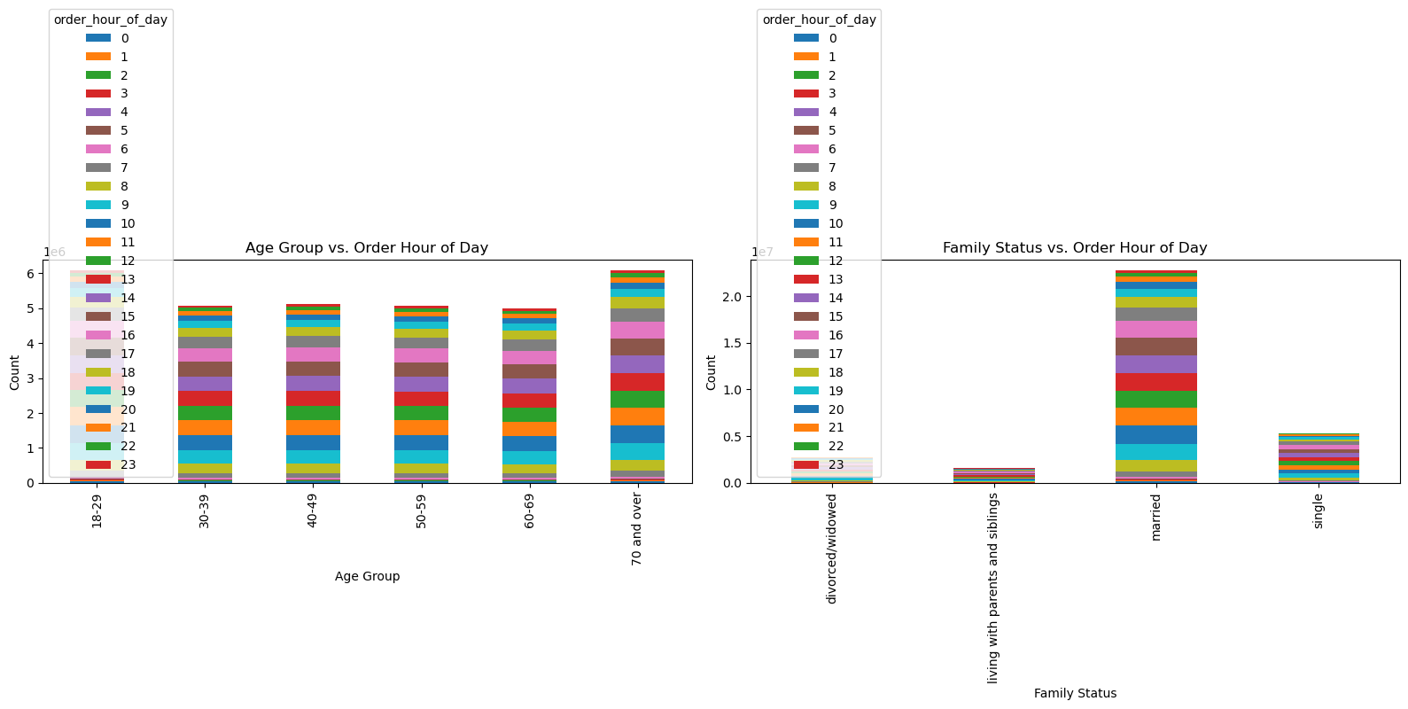
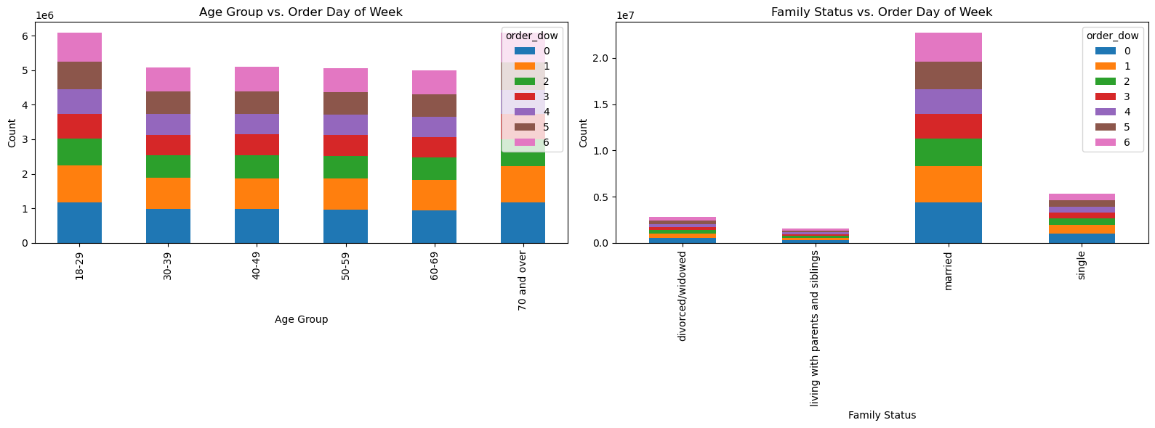

 | The chart directly above shows the age ranges of each fam status group. The charts to the right of it are comparing 'age group' and 'fam_satus' to 'order_hour_of_day' and 'order_day_of_week'. No important connections or findings that.

What different classifications does the demographic information suggest? Age? Income? Certain types of goods? Family status?

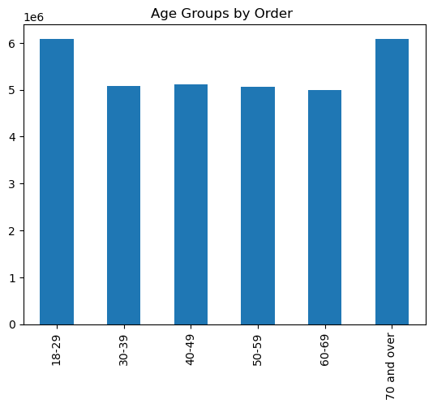

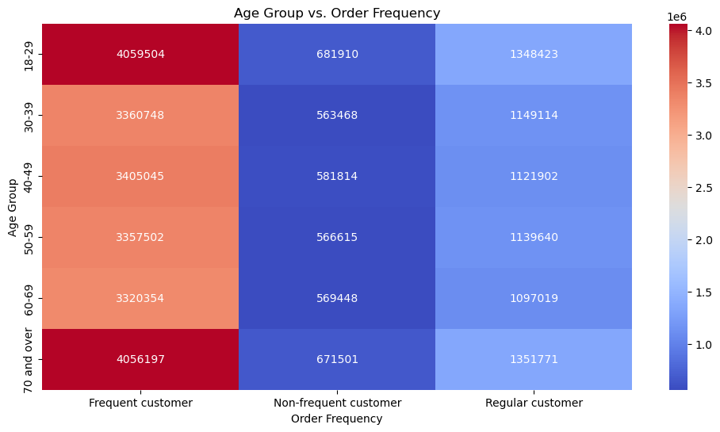

 | Age groups '70 and over' & '18-29' conrtribute the most orders to instacart and make up the highest population of 'frequent customers'.

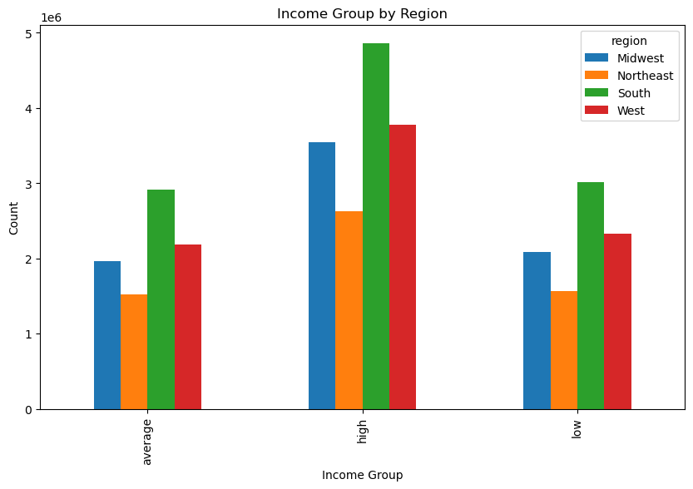
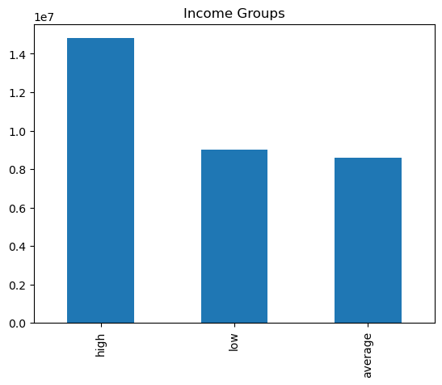

 |  |  |  | High: more than $100,000
 |  |  |  | Average: $100,000 or less & more than $70,000
 |  |  |  | Low: $70,000 or less

 | The 'South" has the most values in each of the income groups.The 'South' gives instacart the most customers (compared to other regions). |  | High income users have the highest order count compared to other income groups.

7. Recommendations
 |  |  |  |  | Title page

Recommendations

In this tab you should include any recommendations you would made to Instacart in terms of their marketing strategy based on the questions posed in the brief. Every key question has been covered in the Tasks of the Exercises - here you need to add an item - a visualization or table/cross table that is showing the answer in the data, accompanied by a comment from you. Please, list the questions below and add the answer underneath.

 |  |  |  | answer
Question | Answer | Recommendations
What are the busiest days of the week and hours of the day? | The busiest days of the week are the weekends (Saturday and Sunday). The slowest days are mid-week (Tuesday and Wednesday). The busiest hours of the day are 9-16. | Discount or put unpopular items on sale (or a flash sale) during peak hours on Saturday and Sunday. Promote Instacart using online advertisement during peak hours of the mid-week (Tuesday, Wednesday), to lure more attention to the app during slow days.
Is there particular times of the day when people spend the most money? | At 2 there is a big peak in money spent. People spend the most money at 2. | Do further research as to what age groups, gender, etc. are causing this peak at 2. Then deliver targeted advertisement.
Instacart has a lot of products with different price tags. Marketing and sales want to use simpler price range groupings to help direct their efforts. | Low price: under $5. Mid price: over $5 & under $15. High price: $15 or over. Mid priced products consistently do best. Products over $5 and less than $15 have the most orders. | Grouping together popular mid price products and high price products for a package deal will draw more attention to some high price products. In advertisements use photos or name of popular mid price products, the more popular the product the more people will recognize the name or image.
Are there certain types of products that are more popular than others? | Produce, eggs & dairy have the highest order frequency. Families by far are ordering the most produce | Use produce, eggs and dairy for advertisment. Target produce, dairy and eggs to families especially but single parents as well.
Are there differences in ordering habits based on a customer’s region? | Yes, the South has the highest order frequency, and the Northeast has the least. The south also has the highest order frequency for every department. | Target the South for marketing and advertisment, the southen region contributed the most to instacart of all other regions.
What’s the distribution among users in regards to their brand loyalty ? | There are more regular customers than there is loyal customers or new customers. | Using advertisment or insentive, Instacart could make efforts to bring new customers on board. There is not a lot of new customers compared to the amount of loyal or regular customers. Doing further research into why loyal customers do not have the highest distribution, what can be changed about the instacart platform to encourage customers to want to become loyal customers. Loyal customers should have benefits.

 |  |  | m

